Sheet1
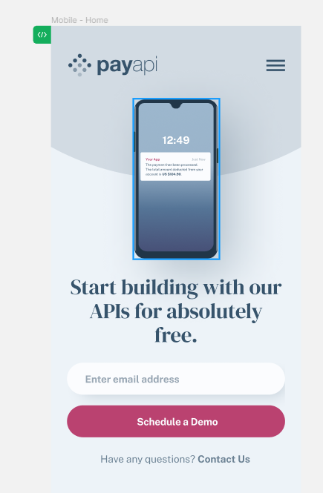
Test Case

Explanation:

Test Case ID | Test Case Description | Test Objective | Preconditions | Test Steps | Test Data | Expected Results | Actual Results | Notes | Test Environment | Test Case Author | Date Created | Date Last Modified
PB-2 1. | Verify successful open the page and view for mobile phone IMG, text. | Ensure that users can go to the page and see mobile phone IMG and text. | - | 1. Open the page. 2. Compares the image and text with the design. | - | 1. Opened page looks like the design page. 2. Text based in 3 lines. | 1. Fail. text arranged in 4 lines. |  | Windows 10, Microsoft Edge | QA Team member Emilija | 20230-11-28 | 20230-11-28
PB-2 2. | Verify text field for email and button “Shedule a Demo". | Ensure that users can write email successfully with valid credentials. | - | 1. Open the page. 2. Enter valid email adress. 3. Click the "Schedule Demo" button. | 2. email adress: 2.1.emilijaemilijaemlijaemilija@gmail.com; 2.2. emilija@@gmail.com; 2.3. emilijč@gmail.com; emilija#@gmail.com | 1. Page opend. 2.1. Email adress long is less thant 20 simbols. 2.2. Email adress has one @. 2.3. Email adress can`t have lithuanian leters like "č" and special symbols. | 1. As expected. 2.1. As expected. 2.2. Email adress can have more than one @@. 2.3. As expected. | 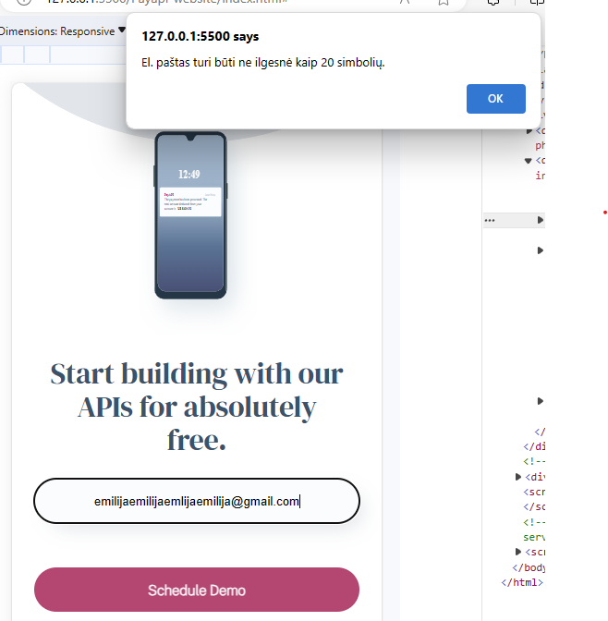 | Windows 10, Microsoft Edge | QA Team member Emilija | 20230-11-28 | 20230-11-28
PB-2 3. | Verify text "Contact us" witch has navigation to Contact page. | Ensure that clicked text "Contact us" lead us to contact page. | - | Clicing text "Contact us". | - | Clicked text "Contact us" lead us to contact page. | Fail. |  | Windows 10, Microsoft Edge | QA Team member Emilija | 20230-11-28 | 20230-11-28
PB-2 4. | Verify phone IMG size by px corresponds to design. | Ensure that phone IMG size by px corresponds to design. | - | Compare done task size by px with design. | - | 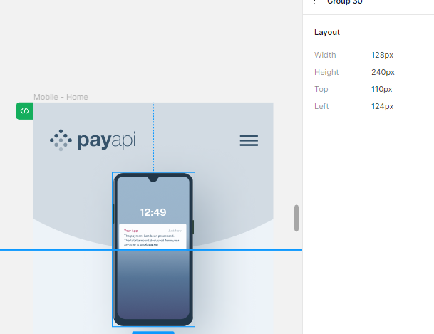 | 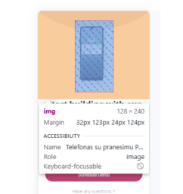 Fail. |  | Windows 10, Microsoft Edge | QA Team member Emilija | 20230-11-28 | 20230-11-28
PB-2 5. | Verify text box, text field for email and button “Shedule a Demo" size by px corresponds to design. | Ensure text box, text field for email and button “Shedule a Demo" size by px corresponds to design. | - | Compare done task size by px with design. | - | 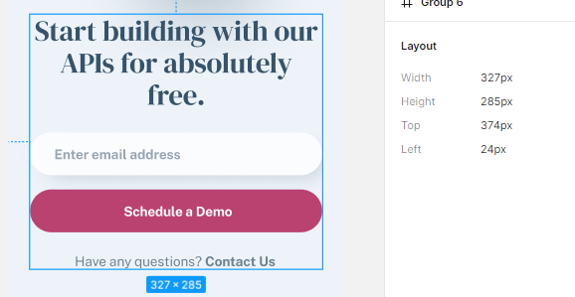 |  |  | Windows 10, Microsoft Edge | QA Team member Emilija | 20230-11-28 | 20230-11-28
PB-2 6. | Verify view in mobile, tablet and Desktop screens. | Ensure that view is correct in Mobile, Tablet and Desktop screens like in design. | - | View Mobile, Tablet and Desktop screens rezoliution. | - | View is correct in Mobile, Tablet and Desktop screens like in design. | Fail. There is only mobile screen. |  | Windows 10, Microsoft Edge | QA Team member Emilija | 20230-11-28 | 20230-11-28

